Sheet1
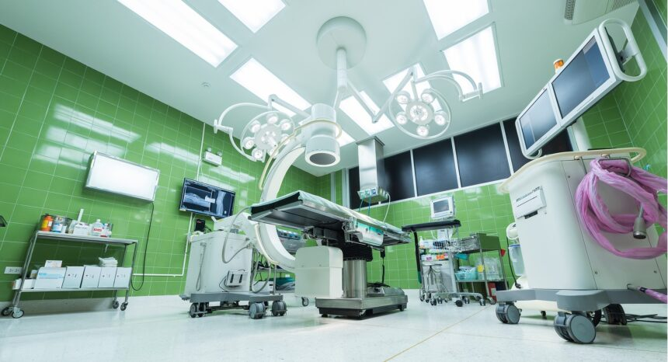 |  | 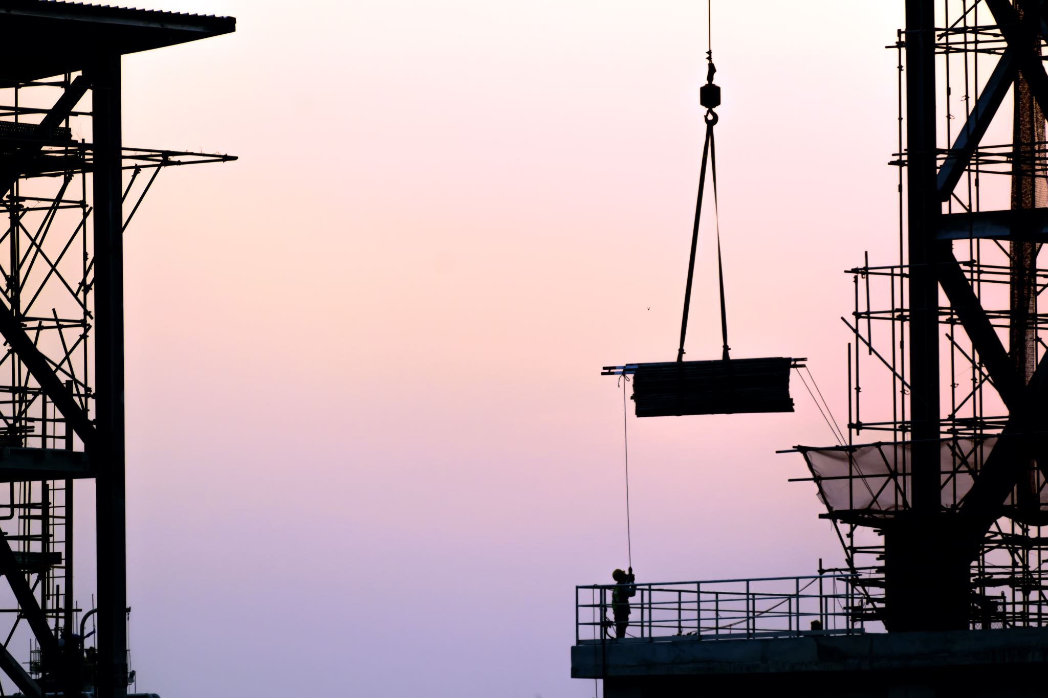  | 
 |  | 2026/27 CORE MATHS SCHEME OF WORK | 3hrs pw
 |  | Session 1, 2hrs | Session 2, 1hr
1 | 14-Sep-26 | Linear inequalities (LP7 & 10) Graphing Regions | Linear Ineq DQ quiz, target review | LINEAR PROG
2 | 21-Sep-26 | Linear Prog/Construct Arguments (LP8 & 9) | Linear Prog DQ quiz, target review | LINEAR PROG
3 | 28-Sep-26 | Percentages and Percentage Change (SG) revision | Percentage DQ quiz, target review | SEQUENCES AND GROWTH
4 | 5-Oct-26 | ACP7 | ACP7 Review
5 | 12-Oct-26 | Savings and investments (simple/comp interest) (SG2) | Savings/Invest DQ quiz, target review | SEQUENCES AND GROWTH
6 | 19-Oct-26 | Growth and decay (SG1) | Growth/Decay DQ quiz, target review | SEQUENCES AND GROWTH
 | 26-Oct-26 | Oct Holiday
7 | 2-Nov-26 | Growth and decay (SG1) - Graphs and applications | Growth/Decay graphs DQ quiz, target review | SEQUENCES AND GROWTH
8 | 9-Nov-26 | Indices and roots (SG5) | Indices/Roots and DQ quiz, target review | SEQUENCES AND GROWTH
9 | 16-Nov-26 | Arithmetic series (include SG8 - Sigma notation) | Arithmetic/Include sg DQ quiz, target review | SEQUENCES AND GROWTH
10 | 23-Nov-26 | Geometric series (include SG8 & 9) - Sigma notation | Geometric series (include DQ quiz, gerget review | SEQUENCES AND GROWTH
11 | 30-Nov-26 | Fibonacci and golden ratio sequences and applications (SG7) | Fibonacci and golden ratio sequences DQ quiz, firget review | SEQUENCES AND GROWTH
12 | 7-Dec-26 | ACP8 | ACP8 Review
13 | 14-Dec-26 | Quadratic sequences (SG6) | Quadratic Sequences DQ quiz, target review | SEQUENCES AND GROWTH
 | 21-Dec-26 | Christmas Holiday | Christmas DQ quiz, target review
 | 28-Dec-26 | Christmas Holiday | Christmas DQ quiz, target review
14 | 4-Jan-27 | Infinite series (SG10) | Infinite Series DQ quiz, target review | SEQUENCES AND GROWTH
15 | 11-Jan-27 | Tax NI Pension and Pay in context (SG) | Tax NI Pension and Pay DQ quiz, target review | SEQUENCES AND GROWTH
16 | 18-Jan-27 | Personal and Company Budgets (SG) | Personal and Company Budgets (SG) | SEQUENCES AND GROWTH
17 | 25-Jan-27 | ACP9 | ACP9 Review
18 | 1-Feb-27 | Revision of Statistics (AS) | Revision of Statistics (AS) | STATS
19 | 8-Feb-27 | Revision of Probability (P) | Revision of Probability (P) | PROB
 | 15-Feb-27 | Feb half term | Feb half term
20 | 22-Feb-27 | Revisoin of Linear Programming (LP) | Revisoin of Linear Programming (LP) | LINEAR PROG
21 | 1-Mar-27 | Mocks (mock prep, mock feedback) | Mocks (mock prep, mock feedback)
22 | 8-Mar-27 | Graphs of equations (quadr, reciprocal, exponential) (SG3) | Graphs/Equations DQ quiz, target review | SEQUENCES AND GROWTH
23 | 15-Mar-27 | ACP10 | ACP10 Review
24 | 22-Mar-27 | Tangents to graphs with same rates of change (SG4) | Tangents to graphs DQ quiz, target review | SEQUENCES AND GROWTH
 | 29-Mar-27 | EASTER HOLS | EASTER HOLS
 | 5-Apr-27 | EASTER HOLS | EASTER HOLS
25 | 12-Apr-27 | Revision of Sequencys & Growth (SG) | Revision of Sequencys & Growth (SG) | SEQUENCES AND GROWTH
26 | 19-Apr-27 | Exam Practice - Working with the Pre-release Documents | Exam Practice - Working with DQ quiz, exrget review
27 | 26-Apr-27 | Exam Practice | Exam Practice
28 | 3-May-27 | (3rd May B/Hols) ACP11 | ACP11 Review
29 | 10-May-27 | Exam May THURS 13th MAY (pm)- COMPREHENSION 1hr40 | Exam May THURS 13th MAY (pm)- COMPREHENSION 1hr40
30 | 17-May-27 | Exam May FRIDAY 21st MAY (pm) - APPLICATION 1hr40 | Exam May FRIDAY 21st MAY (pm) - APPLICATION 1hr40

